Readme
Notes

Changing assumptions
As a general rule: if a number is in a blue cell then it is a variable that can be changed by the user.

If a number is in a clear cell or a yellow cell then it is a calculated amount based on the assumptions in the blue cells. The clear or yellow cells must not be 'over-typed' as they contain formulae (this will not be possible so long as the locked status of the spread sheets are maintained).

PLEASE NOTE: the "working" cells in the costing model have been locked. This is to prevent users inadvertently deleting or changing the formulae in cells.

Users of the costing model should always save their work as a new file when they start working so as to preserve an original copy of the costing model.

The Model is formatted using the Group function. This hides and reveals lines when you click on the buttons shown to the right.

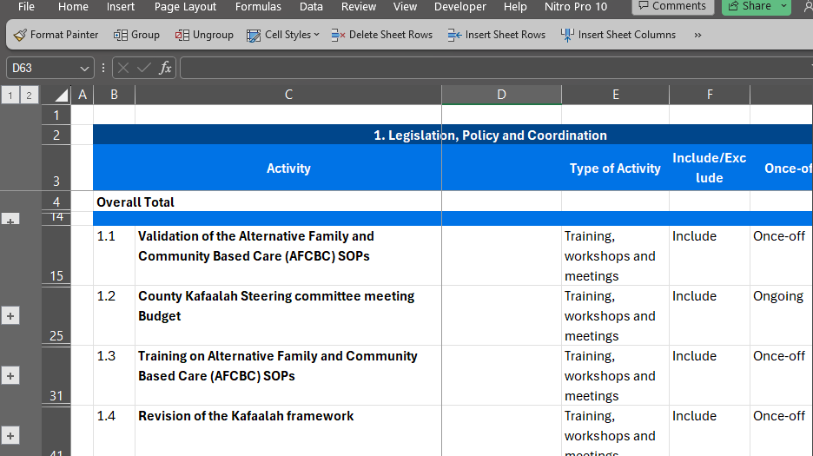

By clicking on these buttons you can show more or less information

By clicking on these buttons you can show more or less information

